Levels for PVSA
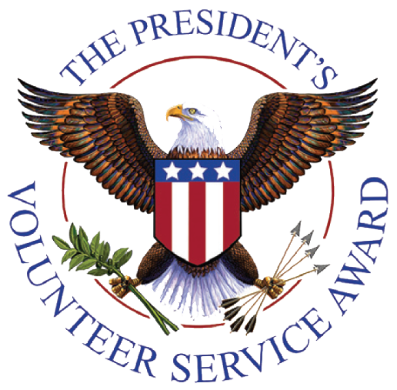
Age Group | Bronze | Silver | Gold | Lifetime Achievement Award
Young Adults (16-25) | 100-174 hours | 175-249 hours | 250+ hours | 4,000+ hours
Adults (26+) | 100-249 hours | 250-499 hours | 500+ hours | 4,000+ hours

